Summary
MI PDA - May 2026

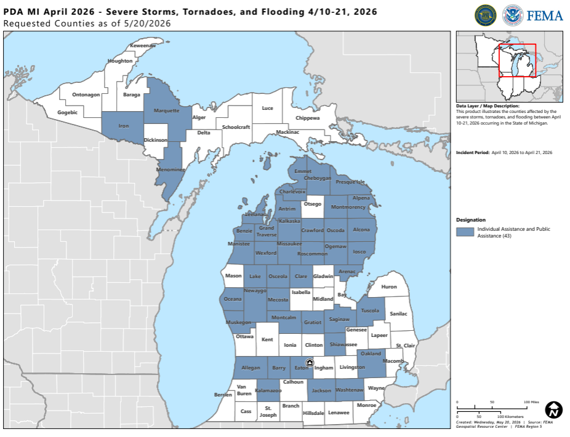
Timeline | Date
Incident Period | April 10 - 21, 2026
PDA Timeline | May 19 - 30, 2026

PDA Stats - Indiana | Total
Applicants | 73 | Map | Map
Counties | 26

Total & State Threshold | Total
PDA Total | $23,415,940
State Threshold | $19,550,022

Indicators & Projects | Total
Statewide Indicator | $1.94 | County | Total
Countywide Indicator | $4.86 | Alcona | $449,899
Small Project Minimum | $4,100 | Alpena | $220,764
Large Project Threshold | $1,093,800 | Benzie | $231,687
 |  | Charlevoix | $224,758
Damage Category | Total | Cheboygan | $8,462,908
Category A | $1,072,897.14 | Crawford | $67,515
Category B | $6,509,052.35 | Eaton | $824,477
Category C | $11,161,419.76 | Emmet | $278,018
Category D | $1,113,981.69 | Grand Traverse | $2,690,331
Category E | $158,956.38 | Gratiot | $206,181
Category F | $781,898.22 | Iron | $383,314
Category G | $2,617,734.50 | Kalkaska | $372,065
 |  | Lake | $137,337
FEMA Team | State Team | Manistee | $1,952,972
Jennie Grobe | Marisela Shellenbarger | Marquette | $400,562
Katie Warren |  | Mecosta | $632,000
Roopak Hanna |  | Menominee | $403,474
Maxwell Novoselac |  | Missaukee | $286,453
Charlie Annerino |  | Montmorency | $59,981
Caleb Smith |  | Newaygo | $313,685
Connor Blevins |  | Ogemaw | $122,905
Anessa Jones |  | Osceola | $1,257,552
Ja'von Cotton |  | Oscoda | $90,442
Eric Punzalan |  | Presque Isle | $213,370
Angela Williams |  | Tuscola | $303,150
Sam Efein |  | Wexford | $2,830,142
Mike Richards
Alexis Villasenor

